Problem 1
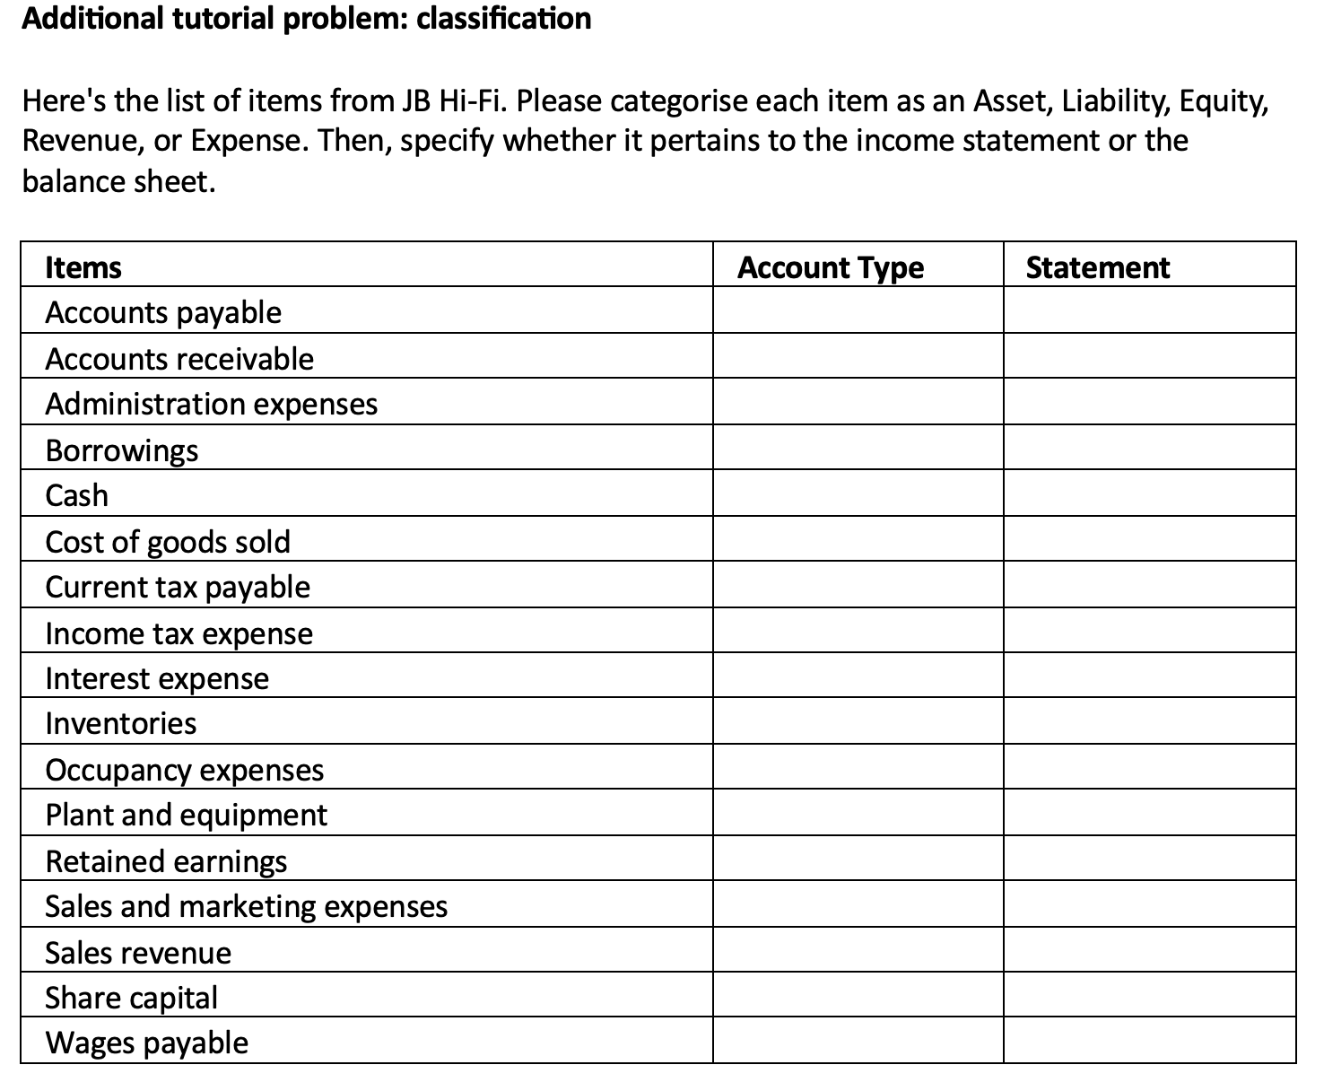
Account Type | Asset |  | Statement | Income statement
 | Liability |  |  | Balance sheet
 | Equity
 | Revenue
 | Expense

Select the account type and statement by clicking on the dropdown box:

Items | Account Type | Statement
Accounts payable
Accounts receivable
Administration expenses
Borrowings
Cash
Cost of goods sold
Current tax payable
Income tax expense
Interest expense
Inventories
Occupancy expenses
Plant and equipment
Retained earnings
Sales and marketing expenses
Sales revenue
Share capital
Wages payable

